Cover
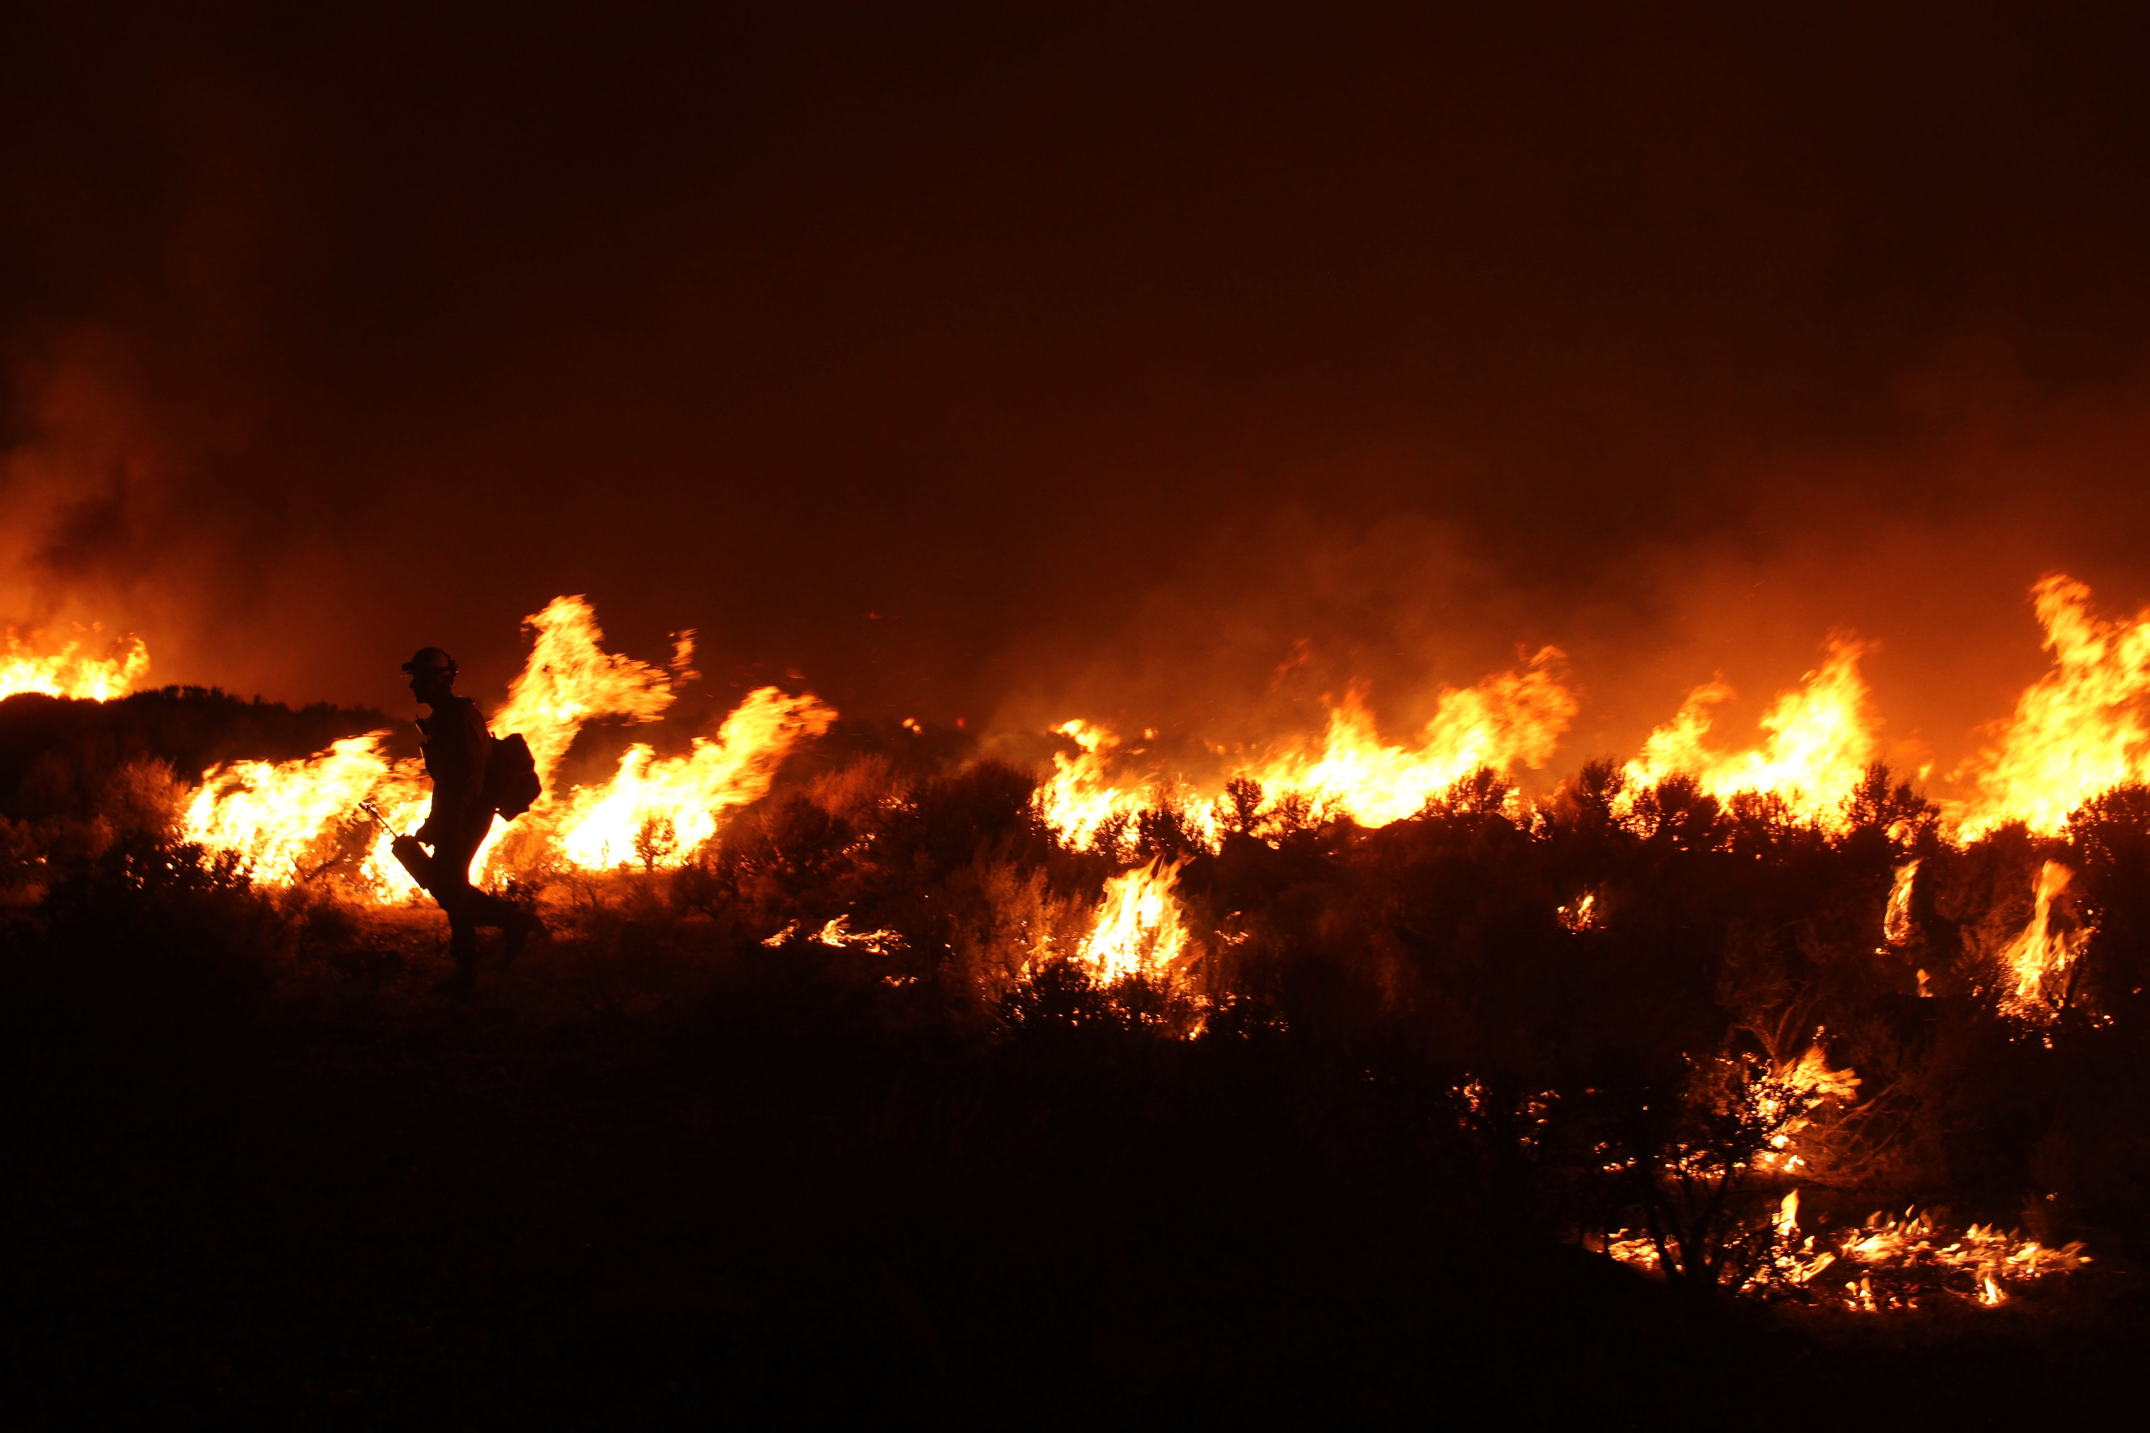

Form G-8: Wildfire Catastrophe Model Settings and Input

Exposure Summary and Control Totals

2025 PRID

The Innovation and Technology Leader in Weather, Climate, and Catastrophe Risk Modeling

Read Me
Read Me

Instructions
When submitting a California rate filing that incorporates the KCC Wildfire v3.0 model, insurers must include a completed Form G-8 as part of the complete rate application. This form requires two specific RiskInsight® outputs:
1. A KCC RiskInsight® Analysis Report
2. An Exposure Summary and Control Totals Excel Report
To generate the Excel report, insurers should run the KCC G-8 Exposure Summary Script, which automatically produce the required Excel exhibits for the rate filing. The following instructions outline the necessary steps for running the script. Please contact your support team at KCC_Client_Services@karenclarkandco.com should you have any questions or need further assistance.
1. Locate the exposure database to be used in rate filling, which has been imported using the RiskInsight application
2. Open the provided KCC G-8 Exposure Summary Script
3. Populate the Database and Portfolio input sections with the database name and PortfolioSID of the exposure dataset used for rate filling
4. Execute the script in its entirety
5. The Excel report will then be generated with populated Primary Characteristics and Secondary Characteristics sheets.
6. Populate the Submission Summary and Summary of Analysis Options sheets in the Excel report with the required submission and and rate filling job analysis information.
7. Include the populated Excel in your rate filing

Secondary Characteristics
Exposure Summary - Secondary Building Characteristics

Overall Control Totals
Database Name | Portfolio Name | Risk Count | TIV
Sample_Database | Sample_Portfolio | 508,420 | 508,420,000,000

*Percent Of TIV represents the share of Total Insured Value that corresponds to each individual secondary characteristic
Exposure Distribution by Secondary Building Characteristic
Secondary Characteristic Category | Enumeration | Value | Percent Of TIV*
IBHSWildfirePreparedHomeCode | 0 | Unknown | 54.7%
IBHSWildfirePreparedHomeCode | 1 | Base | 25.1%
IBHSWildfirePreparedHomeCode | 2 | Plus | 20.2%
DefensibleSpaceCode | 0 | Unknown | 13.4%
DefensibleSpaceCode | 1 | No Defensible Space | 23.6%
DefensibleSpaceCode | 2 | Zone 1 only | 10.2%
DefensibleSpaceCode | 3 | Zones 1 and 2 | 18.3%
DefensibleSpaceCode | 4 | Zones 1, 2, and 3 | 24.1%
DefensibleSpaceCode | 5 | Zone 2 | 4.2%
DefensibleSpaceCode | 6 | Zone 3 | 6.2%
DefensibleSpaceCode | 7 | Zones 2 and 3 | 0.0%
RoofCoverFireRatingCode | 0 | Unknown | 45.1%
RoofCoverFireRatingCode | 1 | Class A | 26.7%
RoofCoverFireRatingCode | 2 | Not Class A | 28.2%
CombustibleVertClearanceCode | 0 | Unknown | 74.1%
CombustibleVertClearanceCode | 1 | Yes | 11.7%
CombustibleVertClearanceCode | 2 | No | 14.2%
WallSidingFireCode | 0 | Unknown | 28.5%
WallSidingFireCode | 1 | Combustible | 33.2%
WallSidingFireCode | 2 | Fire-resistant | 38.3%
CombustibleFencingCode | 0 | Unknown | 16.2%
CombustibleFencingCode | 1 | No fence | 21.5%
CombustibleFencingCode | 2 | No combustible fence, vented | 17.3%
CombustibleFencingCode | 3 | Combustible fence within 5 ft | 12.7%
CombustibleFencingCode | 4 | Combustible fence outside 5 ft | 28.1%
CombustibleFencingCode | 5 | No combustible fence, solid barrier | 4.2%
RoofVentilationCode | 0 | Unknown | 12.2%
RoofVentilationCode | 1 | Combustible, Roof | 10.5%
RoofVentilationCode | 2 | Combustible, Others | 8.8%
RoofVentilationCode | 3 | Combustible, Roof and Others | 4.3%
RoofVentilationCode | 4 | Non-combustible, Roof | 32.9%
RoofVentilationCode | 5 | Non-combustible, Others | 20.2%
RoofVentilationCode | 6 | Non-combustible, Roof and Others | 6.8%
RoofVentilationCode | 7 | No Ventilation | 4.3%
AttachedStructureFireCode | 0 | Unknown | 52.2%
AttachedStructureFireCode | 1 | Attached Structures without fire resistance | 28.5%
AttachedStructureFireCode | 2 | Attached Structures with fire resistance | 8.6%
AttachedStructureFireCode | 3 | No Attached Structures | 10.7%
CombustibleAppurtStructureCode | 0 | Unknown | 8.2%
CombustibleAppurtStructureCode | 1 | <= 10 ft | 13.4%
CombustibleAppurtStructureCode | 2 | > 10 ft | 46.4%
CombustibleAppurtStructureCode | 3 | > 20 ft | 29.2%
CombustibleAppurtStructureCode | 4 | > 30 ft | 2.8%
FireResistantShutterCode | 0 | Unknown | 12.2%
FireResistantShutterCode | 1 | Yes | 70.2%
FireResistantShutterCode | 2 | No | 17.6%
OverhangCode | 0 | Unknown | 25.7%
OverhangCode | 1 | Combustible | 18.8%
OverhangCode | 2 | Non-combustible | 34.1%
OverhangCode | 3 | No overhangs | 21.4%
GlassTypeCode | 0 | Unknown | 11.2%
GlassTypeCode | 1 | Annealed | 24.5%
GlassTypeCode | 2 | Tempered | 8.5%
GlassTypeCode | 3 | Heat strengthened | 15.9%
GlassTypeCode | 4 | Laminated | 20.1%
GlassTypeCode | 5 | Insulating glass units | 7.2%
GlassTypeCode | 6 | Non-impact Rated | 3.4%
GlassTypeCode | 7 | Impact Rated | 2.3%
GlassTypeCode | 8 | Single-Pane | 4.2%
GlassTypeCode | 9 | Multi-Pane | 2.7%
GutterFireCode | 0 | Unknown | 38.1%
GutterFireCode | 1 | Non-combustible gutters | 16.2%
GutterFireCode | 2 | Non-combustible gutters with non-combustible cover | 35.4%
GutterFireCode | 3 | Combustible gutters | 10.3%
GutterFireCode | 4 | No gutters | 0.0%
FireResistantGarageDoorCode | 0 | Unknown | 45.4%
FireResistantGarageDoorCode | 1 | Yes | 31.4%
FireResistantGarageDoorCode | 2 | No | 23.2%
FireResistantExteriorDoorCode | 0 | Unknown | 48.2%
FireResistantExteriorDoorCode | 1 | Yes | 28.2%
FireResistantExteriorDoorCode | 2 | No | 23.6%
IsFireSprinklerAvailableCode | 0 | Unknown | 0.0%
IsFireSprinklerAvailableCode | 1 | No Sprinkler | 2.5%
IsFireSprinklerAvailableCode | 2 | Yes, External Sprinkler | 7.1%
IsFireSprinklerAvailableCode | 3 | Yes, Internal Sprinkler | 14.2%
IsFireSprinklerAvailableCode | 4 | Yes, Both | 76.2%
FireResistantSkylightCode | 0 | Unknown | 47.3%
FireResistantSkylightCode | 1 | Yes | 38.5%
FireResistantSkylightCode | 2 | No | 14.2%
RoofGeometryCode | 0 | Unknown | 2.3%
RoofGeometryCode | 1 | Flat | 24.5%
RoofGeometryCode | 2 | Gable without bracing | 15.6%
RoofGeometryCode | 3 | Hip | 18.2%
RoofGeometryCode | 4 | Complex | 2.7%
RoofGeometryCode | 5 | Stepped | 5.2%
RoofGeometryCode | 6 | Shed | 8.6%
RoofGeometryCode | 7 | Mansard | 14.1%
RoofGeometryCode | 8 | Gable with bracing | 6.2%
RoofGeometryCode | 9 | Pyramid | 1.2%
RoofGeometryCode | 10 | Gambrel | 1.4%
FirewiseCommunityCode | 0 | Unknown | 4.7%
FirewiseCommunityCode | 1 | Yes | 61.6%
FirewiseCommunityCode | 2 | No | 33.7%
FireRiskReductionCommunityCode | 0 | Unknown | 5.3%
FireRiskReductionCommunityCode | 1 | Not FRRCL | 38.4%
FireRiskReductionCommunityCode | 2 | FRRCL: Non-City/Non-County | 22.1%
FireRiskReductionCommunityCode | 3 | FRRCL: City/County | 34.2%

