Pt 2 Premium and Claims
Department of Managed Health Care/Department of Insurance
Medical Loss Ratio Reporting Form: Dental Coverage
Part 2 - Premium and Claims

Health Plan ID
 |  | 0
Legal Name
 |  | Premier Access Insurance Company
dBA
 |  | 0
MLR Reporting Year
 |  | 2024

 |  |  |  |  | Health Insurance Coverage
 |  |  |  |  | DPPO & Indemnity Products
 |  |  | Individual |  | Small Group |  | Large Group
 |  |  | Total as of | Total as of | Total as of | Total as of | Total as of | Total as of
 |  | Part 2 NOTE: REFER TO MLR INSTRUCTIONS FOR IMPORTANT | 12/31/2024 | 2025-03-31 | 12/31/2024 | 2025-03-31 | 12/31/2024 | 2025-03-31
 |  | INFORMATION ABOUT COMPLETING EACH COLUMN AND ROW. | 7 | 8 | 9 | 10 | 11 | 12
1. | Premium:
 | 1.1 | Direct premium written |  |  | $22,299,085 | $22,274,660 | $6,940,916 | $6,959,099
 | 1.2 | Unearned premium prior year |  |  | $566,299 | $566,299 | $126,590 | $126,590
 | 1.3 | Unearned premium MLR Reporting year |  |  | $124,519 |  | $52,981
 | 1.4 | Premium balances written off

2. | Claims:
 | 2.1 | Claims Paid
 |  | 2.1a Claims paid during the MLR reporting year regardless of incurred date |  |  | $10,712,032 |  | $7,562,495
 |  | 2.1b Claims incurred only during the MLR reporting year, paid through 3/31 of the following year |  |  |  | $9,333,247 |  | $6,589,098
 | 2.2 | Direct claim liability
 |  | 2.2a Liability as of 12/31 of MLR reporting year for all claims regardless of incurred date |  |  | $2,132,188 |  | $1,481,690
 |  | 2.2b Liability for claims incurred only during the MLR reporting year, calculated as of 3/31 of the following year |  |  |  | $952,177 |  | $672,219
 | 2.3 | Direct claim liability prior year |  |  | $3,777,785 |  | $1,893,937
 | 2.4 | Direct claim reserves
 |  | 2.4a Reserves as of 12/31 of MLR reporting year for all claims regardless of incurred date
 |  | 2.4b Reserves for claims incurred only during the MLR reporting year, calculated as of 3/31 of the following year
 | 2.5 | Direct claim reserves prior year
 | 2.6 | Experience rating refunds (rate credits) paid
 |  | 2.6a Experience rating refunds, with all incurred dates, paid in the MLR reporting year
 |  | 2.6b Experience rating refunds associated with premium earned only in the reporting year and paid through 3/31 of the following year
 | 2.7 | Reserve for experience rating refunds (rate credits)
 |  | 2.7a Reserved in MLR reporting year regardless of incurred date
 |  | 2.7b Reserves specific to the MLR reporting year through 3/31 of the following year
 | 2.8 | Reserve for experience rating refunds (rate credits) prior year
 | 2.9 | Incurred dental incentive pool and bonuses
 |  | 2.9a Paid dental incentive pools and bonuses MLR Reporting year
 |  | 2.9b Accrued dental incentive pools and bonuses MLR Reporting year
 |  | 2.9c Accrued dental incentive pools and bonuses prior year
 | 2.10 | Contingent benefit and lawsuit reserves
 | 2.11 | Total incurred claims | $- | $- | $9,066,435 | $10,285,424 | $7,150,248 | $7,261,317

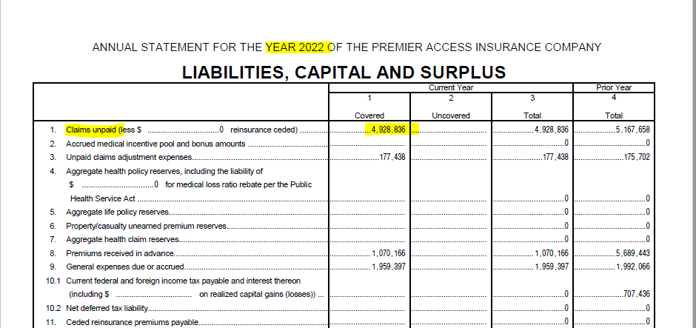
 | Cell Keys:
 |  | Blank cells require input from Health plan or Health insurer
 |  | Grey cells require no data input
 |  | Pink cells require no data input - locked down
 |  | Blue cells: computed cell (formula cell)

